Location Plan & Summary
Intelligent Data Collection Limited

Client: | Bristol City Council |  |  | Date of Survey: |  | 09.07.2015
Project Number: | ID02343 |  |  | Site Name: |  | Belle Vue Road
Site Number: | ATC Site 2 |  |  | Survey Type: |  | Two-way Link Count

X Coordinate |  | Y Coordinate |  |  | Google Maps Link
51.467705 |  | -2.561373 |  |  | Click Here
AM Peak Conditions |  | Inter-Peak Conditions |  |  | PM Peak Conditions
Clear and Sunny |  | Clear and Sunny |  |  | Clear and Sunny
Junction Layout

N
 |  |  |  |  |  | Arm B - Greenbank Road (N)

 |  |  | Arm A - Greenbank Avenue (S)

Aerial Mapping and On-site Camera View
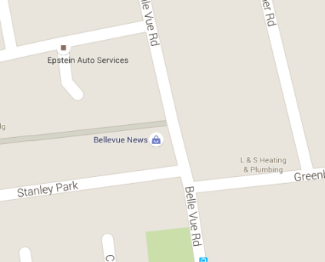
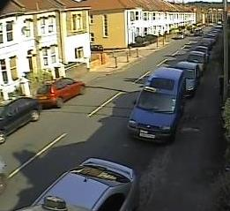

Arm B - Greenbank Road (N)

Arm A - Greenbank Avenue (S)

Junction Flow Profile
Arm Approach Flows (All Vehicles)
 | A to B (Northbound) | B to A (Southbound) | Two-way Total
7:00:00 | 21 | 9 | 30
7:15:00 | 54 | 7 | 61
7:30:00 | 62 | 15 | 77
7:45:00 | 66 | 17 | 83
8:00:00 | 60 | 22 | 82
8:15:00 | 79 | 27 | 106
8:30:00 | 71 | 33 | 104
8:45:00 | 61 | 27 | 88
9:00:00 | 65 | 21 | 86
9:15:00 | 48 | 11 | 59
9:30:00 | 51 | 20 | 71
9:45:00 | 48 | 17 | 65
10:00:00 | 31 | 22 | 53
10:15:00 | 38 | 27 | 65
10:30:00 | 43 | 15 | 58
10:45:00 | 38 | 26 | 64
11:00:00 | 34 | 21 | 55
11:15:00 | 36 | 23 | 59
11:30:00 | 60 | 27 | 87
11:45:00 | 40 | 19 | 59
12:00:00 | 37 | 23 | 60
12:15:00 | 43 | 21 | 64
12:30:00 | 42 | 29 | 71
12:45:00 | 45 | 18 | 63
13:00:00 | 36 | 24 | 60
13:15:00 | 50 | 38 | 88
13:30:00 | 57 | 32 | 89
13:45:00 | 49 | 24 | 73
14:00:00 | 51 | 22 | 73
14:15:00 | 49 | 23 | 72
14:30:00 | 50 | 30 | 80
14:45:00 | 43 | 28 | 71
15:00:00 | 35 | 34 | 69
15:15:00 | 43 | 31 | 74
15:30:00 | 61 | 41 | 102
15:45:00 | 43 | 45 | 88
16:00:00 | 48 | 47 | 95
16:15:00 | 57 | 53 | 110
16:30:00 | 52 | 40 | 92
16:45:00 | 41 | 41 | 82
17:00:00 | 50 | 48 | 98
17:15:00 | 55 | 66 | 121
17:30:00 | 49 | 35 | 84
17:45:00 | 38 | 58 | 96
18:00:00 | 49 | 38 | 87
18:15:00 | 39 | 37 | 76
18:30:00 | 55 | 42 | 97
18:45:00 | 44 | 34 | 78

Additional Notes (Factors which may impact on survey results such as accidents, roadworks, special events):

